дэшборд
Сегмент
 | Consumer
74 | 50
7 | 48
83 | 15
85 | 45
12 | 90
45 | 25
62 | 75
23 | 53
45 | 60
85 | 67
65 | 55
53 | 80
71 | 72
90 | 61
70 | 57
87 | 77
22 | 34
85 | 53
71 | 41
71 | 30
83 | 37
10 | 76
33 | 50
55 | 64
75 | 60
58 | 50
50 | 37
33 | 33
60 | 22
92 | 72
91 | 66
93 | 77
77 | 30
15 | 55
94.5 | 75
65 | 29
60 | 35
29 | 85
92 | 83
89.5 | 59.5
87 | 62
48 | 48
91 | 83
95 | 90
45 | 73
20 | 73
44 | 85
32 | 68
80 | 55
ВЫРУЧКА ПО МЕСЯЦАМ, у.е.
 | Итог
янв | 2450.1907
фев | 862.3084
мар | 498.7299
апр | 3488.8352
май | 2738.7096
июн | 4976.5244
июл | -841.4826
авг | 5318.105
сен | 8328.0994
окт | 3448.2573
ноя | 9292.1269
дек | 8983.5699
янв | -3281.007
фев | 2813.8508
мар | 9732.0978
апр | 4187.4962
май | 4667.869
июн | 3335.5572
июл | 3288.6483
авг | 5355.8084
сен | 8209.1627
окт | 2817.366
ноя | 12474.7884
дек | 8016.9659
янв | 2824.8233
фев | 5004.5795
мар | 3611.968
апр | 2977.8149
май | 8662.1464
июн | 4750.3781
июл | 4432.8779
авг | 2062.0693
сен | 9328.6576
окт | 16243.1425
ноя | 4011.4075
дек | 17885.3093
янв | 7140.4391
фев | 1613.872
мар | 14751.8915
апр | 933.29
май | 6342.5828
июн | 8223.3357
июл | 6952.6212
авг | 9040.9557
сен | 10991.5556
окт | 9275.2755
ноя | 9690.1037
дек | 8483.3468

ПРИБЫЛЬ ПО СУБКАТЕГОРИЯМ, у.е.
 | Итог
Accessories | 41936.6357
Appliances | 18138.0054
Art | 6527.787
Binders | 30221.7633
Bookcases | -3472.556
Chairs | 26590.1663
Copiers | 55617.8249
Envelopes | 6964.1767
Fasteners | 949.5182
Furnishings | 13059.1436
Labels | 5546.254
Machines | 3384.7569
Paper | 34053.5693
Phones | 44515.7306
Storage | 21278.8264
Supplies | -1189.0995
Tables | -17725.4811
ПРОДАЖИ ПО КАТЕГОРИЯМ, У.Е.
 | Итог
Furniture | 18451
Office Supplies | 122491
Technology | 145455
ЗАКАЗЫ РАЗНЫМИ МЕТОДАМИ ДОСТАВКИ
 | Итог
First Class | 1538
Same Day | 543
Second Class | 1945
Standard Class | 5968
ПРОДАЖИ ПО МЕНЕДЖЕРАМ, У.Е.
 | Итог
Cassandra Brandow | 46749
Kelly Williams | 39706
Anna Andreadi | 108418
Chuck Magee | 91523

Верхнеуровневая архитектура
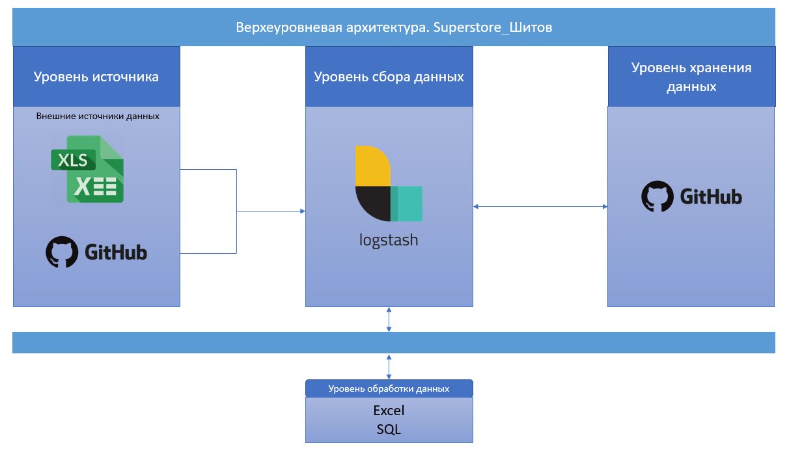

карта
 |  | Штат | Сегмент | X | Y | Подписи
 |  | Kentucky | 1041.49 | 74 | 50 | Kentucky 1 041
Сегмент | Сегмент | California | 53365.3455 | 7 | 48 | California 53 365
Consumer | 2016 | Florida | 5874.9505 | 83 | 15 | Florida 5 875
Corporate | 2017 | North Carolina | 6274.789 | 85 | 45 | North Carolina 6 275
Home Office | 2018 | Washington | 17159.45 | 12 | 90 | Washington 17 159
 | 2019 | Texas | 30320.1246 | 45 | 25 | Texas 30 320
 |  | Wisconsin | 4341.53 | 62 | 75 | Wisconsin 4 342
 |  | Utah | 2461.81 | 23 | 53 | Utah 2 462
 |  | Nebraska | 35.98 | 45 | 60 | Nebraska 36
 |  | Pennsylvania | 12841.12 | 85 | 67 | Pennsylvania 12 841
 |  | Illinois | 11685.297 | 65 | 55 | Illinois 11 685
 |  | Minnesota | 11590.65 | 53 | 80 | Minnesota 11 591
 |  | Michigan | 3480.496 | 71 | 72 | Michigan 3 480
 |  | Delaware | 188.91 | 90 | 61 | Delaware 189
 |  | Indiana | 2017.36 | 70 | 57 | Indiana 2 017
 |  | New York | 45871.738 | 87 | 77 | New York 45 872
 |  | Arizona | 4658.017 | 22 | 34 | Arizona 4 658
 |  | Virginia | 4286.22 | 85 | 53 | Virginia 4 286
 |  | Tennessee | 1702.912 | 71 | 41 | Tennessee 1 703
 |  | Alabama | 2184.45 | 71 | 30 | Alabama 2 184
 |  | South Carolina | 975.6 | 83 | 37 | South Carolina 976
 |  | Oregon | 4397.999 | 10 | 76 | Oregon 4 398
 |  | Colorado | 5422.478 | 33 | 50 | Colorado 5 422
Подпись графика |  | Iowa | 1190.84 | 55 | 64 | Iowa 1 191
Сегмент |  | Ohio | 7860.194 | 75 | 60 | Ohio 7 860
 |  | Missouri | 658.62 | 58 | 50 | Missouri 659
 |  | Oklahoma | 1995.57 | 50 | 37 | Oklahoma 1 996
 |  | New Mexico | 149.786 | 33 | 33 | New Mexico 150
 |  | Louisiana | 69.9 | 60 | 22 | Louisiana 70
 |  | Connecticut | 1121.41 | 92 | 72 | Connecticut 1 121
 |  | New Jersey | 1743.07 | 91 | 66 | New Jersey 1 743
 |  | Massachusetts | 4004.236 | 93 | 77 | Massachusetts 4 004
 |  | Georgia | 2752.51 | 77 | 30 | Georgia 2 753
 |  | Nevada | 1931.396 | 15 | 55 | Nevada 1 931
 |  | Rhode Island | 2169.466 | 94.5 | 75 | Rhode Island 2 169
 |  | Mississippi | 1951.66 | 65 | 29 | Mississippi 1 952
 |  | Arkansas | 5196.33 | 60 | 35 | Arkansas 5 196
 |  | Montana | 410.104 | 29 | 85 | Montana 410
 |  | New Hampshire | 0 | 92 | 83 | New Hampshire 0
 |  | Maryland | 703.42 | 89.5 | 59.5 | Maryland 703
 |  | District of Columbia | 0 | 87 | 62 | District of Columbia 0
 |  | Kansas | 0 | 48 | 48 | Kansas 0
 |  | Vermont | 0 | 91 | 83 | Vermont 0
 |  | Maine | 0 | 95 | 90 | Maine 0
 |  | South Dakota | 0 | 45 | 73 | South Dakota 0
 |  | Idaho | 9.584 | 20 | 73 | Idaho 10
 |  | North Dakota | 0 | 44 | 85 | North Dakota 0
 |  | Wyoming | 0 | 32 | 68 | Wyoming 0
 |  | West Virginia | 0 | 80 | 55 | West Virginia 0

Сегмент

выручка
Сегмент | Сумма по полю Profit
2016 | 49543.9741
янв | 2450.1907
фев | 862.3084
мар | 498.7299 | ВЫРУЧКА ПО МЕСЯЦАМ, у.е.
апр | 3488.8352
май | 2738.7096
июн | 4976.5244
июл | -841.4826
авг | 5318.105
ВЫРУЧКА ПО МЕСЯЦАМ, у.е.
сен | 8328.0994
окт | 3448.2573
ноя | 9292.1269
дек | 8983.5699
2017 | 61618.6037
янв | -3281.007
фев | 2813.8508
мар | 9732.0978
апр | 4187.4962
май | 4667.869
июн | 3335.5572
июл | 3288.6483
авг | 5355.8084
сен | 8209.1627
окт | 2817.366
ноя | 12474.7884
дек | 8016.9659
2018 | 81795.1743
янв | 2824.8233
фев | 5004.5795
мар | 3611.968
апр | 2977.8149
май | 8662.1464
июн | 4750.3781
июл | 4432.8779
авг | 2062.0693
сен | 9328.6576
окт | 16243.1425
ноя | 4011.4075
дек | 17885.3093
2019 | 93439.2696
янв | 7140.4391
фев | 1613.872
мар | 14751.8915
апр | 933.29
май | 6342.5828
июн | 8223.3357
июл | 6952.6212
авг | 9040.9557
сен | 10991.5556
окт | 9275.2755
ноя | 9690.1037
дек | 8483.3468

категории
Сегмент | Сумма по полю Profit
Accessories | 41936.6357
Appliances | 18138.0054
Art | 6527.787
ПРИБЫЛЬ ПО СУБКАТЕГОРИЯМ, у.е.
Binders | 30221.7633 | ПРИБЫЛЬ ПО СУБКАТЕГОРИЯМ, у.е.
Bookcases | -3472.556
Chairs | 26590.1663
Copiers | 55617.8249
Envelopes | 6964.1767
Fasteners | 949.5182
Furnishings | 13059.1436
Labels | 5546.254
Machines | 3384.7569
Paper | 34053.5693
Phones | 44515.7306
Storage | 21278.8264
Supplies | -1189.0995
Tables | -17725.4811

регион
Годы | (Все)

Сегмент | Количество по полю Region2
First Class | 1538 | ЗАКАЗЫ РАЗНЫМИ МЕТОДАМИ ДОСТАВКИ
Same Day | 543
Second Class | 1945
Standard Class | 5968

ЗАКАЗЫ РАЗНЫМИ МЕТОДАМИ ДОСТАВКИ
First Class 1538
Same Day 543
Second Class 1945
Standard Class 5968

КАТЕГОРИИИ
Сегмент | Сумма по полю Profit
Furniture | 18451
Office Supplies | 122491
Technology | 145455 | ПРОДАЖИ ПО КАТЕГОРИЯМ, У.Е.

ПРОДАЖИ ПО КАТЕГОРИЯМ, У.Е.

МЕНЕДЖЕРЫ
Сумма по полю Profit
286397

 |  | ПРОДАЖИ ПО МЕНЕДЖЕРАМ, У.Е.

Названия строк | Сумма по полю Profit
Cassandra Brandow | 46749
Kelly Williams | 39706
ПРОДАЖИ ПО МЕНЕДЖЕРАМ, У.Е.
Anna Andreadi | 108418
Chuck Magee | 91523
Общий итог | 286397.0217

